Sheet1
 |  |  |  |  |  |  | CALCULATED GLOBAL VEHICLE VOLUMES (CURRENT TRAJECTORY)
SEGMENT | USE CASE | Configuration | Max power demand [kW] | Cab type? | CO2 subgroup | CO2 group | 2020 | 2021 | 2022 | 2023 | 2024 | 2025 | 2026 | 2027 | 2028 | 2029 | 2030
City Bus | Large City 19,5 t | - | - | - | - | - | 65 | 98 | 157 | 253 | 398 | 585 | 783 | 951 | 1070 | 1144 | 1186
City Bus | Large City 26 t | - | - | - | - | - | 38 | 58 | 93 | 149 | 234 | 344 | 461 | 559 | 629 | 673 | 698
City Bus | Small City 19,5 t | - | - | - | - | - |  |  | 157 | 253 | 398 | 585 | 783 | 951 | 1070 | 1144 | 1186
City Bus | Brazil BRT buss 33t | - | - | - | - | - |  |  |  |  |  |  | 94 | 114 | 128 | 137 | 142
City Bus | PHEV | - | - | - | - | - | 177 | 244 | 441 | 456 | 455 | 449 | 446 | 364 | 212 | 94 | 39
Volume Tot |  |  |  |  |  |  | 281 | 400 | 848 | 1111 | 1486 | 1964 | 2567 | 2939 | 3109 | 3190 | 3252

Distribution | Garbage Collector 18t | B4x2 | 163 | - | 4 | 4 |  | 13 | 22 | 41 | 66 | 104 | 157 | 227 | 308 | 393 | 472
Distribution | Urban Distribution-18t | B4x2 | 150 | - | 4 | 4 |  | 34 | 54 | 102 | 165 | 259 | 393 | 568 | 771 | 985 | 1182
Distribution | Urban Distribution-26t | B6x2 | 194 | - | 9 | 9 |  | 34 | 54 | 102 | 165 | 259 | 393 | 568 | 771 | 985 | 1182
Distribution | Tipper Truck 2 axles 18t | B4x2 | 275 | - | 4 | 4 |  | 25 | 40 | 76 | 122 | 192 | 291 | 420 | 571 | 729 | 874
Distribution | Regional distribution 33t | A4x2 | 246 | - | 5 | 5 |  |  | 183 | 348 | 562 | 882 | 1338 | 1931 | 2624 | 3350 | 4019
 |  | B6x2 | 246 | - | 9 | 9
 |  | B8x2 | 246 | - | - | -
Distribution | Garbage Collector 26t | B6x2*4 | 190 | - | 9 | 9 |  |  |  |  | 100 | 156 | 237 | 343 | 466 | 596 | 715
Distribution | Tipper Truck 4 axles 33t | B8x4 | 310 | - | 16 | 16 |  |  |  |  |  | 653 | 991 | 1432 | 1947 | 2489 | 2988
Distribution | Tipper Truck 3 axles 26t | B6x4 | 271 | - | 11 | 11 |  |  |  |  |  | 216 | 328 | 473 | 643 | 820 | 983
Distribution | Concrete Mixer 33t | B8x4 | 245 | - | 16 | 16 |  |  |  |  | 28 | 43 | 66 | 95 | 129 | 165 | 198
Distribution | PHEV | ?? |  |  |  |  |  | 32 | 93 | 156 | 278 | 530 | 657 | 795 | 913 | 905 | 880
Volume Tot |  |  |  |  |  |  | 0 | 138 | 446 | 825 | 1486 | 3295 | 4853 | 6852 | 9143 | 11418 | 13493

Long Haul | Long Haulage 60t | B6x2 | 442 | - | 11 | 11 |  |  |  | 193 | 314 | 497 | 780 | 1216 | 1834 | 2665 | 3851
Long Haul | Long Haulage 40t | A4x2 | 333 | - | 5 | 5 |  |  |  | 401 | 655 | 1035 | 1626 | 2535 | 3823 | 5555 | 8033
Long Haul | Long Haul Cooled 40t | A4x2 | 333 | - | 5 | 5 |  |  |  | 67 | 109 | 173 | 271 | 423 | 638 | 927 | 1339
Long Haul | Forestry 60t | B6x4 | 421 | - | 11 | 11 |  |  |  | 33 | 55 | 86 | 136 | 211 | 319 | 463 | 670
Long Haul | Grain transport 74t | A6x4 | 386 | - | 12 | 12 |  |  |  | 24 | 39 | 61 | 96 | 150 | 226 | 328 | 474
Long Haul | Heavy haulage 150t | A6x4 | 562 | - | 12 | 12 |  |  |  | 1 | 1 | 2 | 2 | 4 | 6 | 8 | 12
Long Haul | Road train 90t | A6x4 | 467 | - | 12 | 12 |  |  |  | 2 | 4 | 6 | 10 | 15 | 23 | 33 | 47
Long Haul | PHEV |  |  |  |  |  |  |  |  | 2177 | 2996 | 3523 | 3870 | 4174 | 4401 | 4811 | 5361
Volume Tot |  |  |  |  |  |  | 0 | 0 | 0 | 2898 | 4172 | 5382 | 6792 | 8727 | 11269 | 14791 | 19787

Coach | Intercity 19,5t | - | - | - | - | - |  |  |  |  |  |  | 56 | 88 | 170 | 252 | 358
Coach | Intercity 26t | - | - | - | - | - |  |  |  |  |  |  | 39 | 62 | 119 | 176 | 251
Coach | Hotel Shuttle 19,5t & 26t | - | - | - | - | - |  |  | 0 | 0 | 3 | 4 | 7 | 11 | 18 | 34 | 50
Coach | PHEV | - | - | - | - | - |  |  | 8 | 19 | 38 | 58 | 709 | 808 | 855 | 875 | 887
Volume Tot |  |  |  |  |  |  | 0 | 0 | 8 | 19 | 40 | 62 | 811 | 969 | 1161 | 1337 | 1546
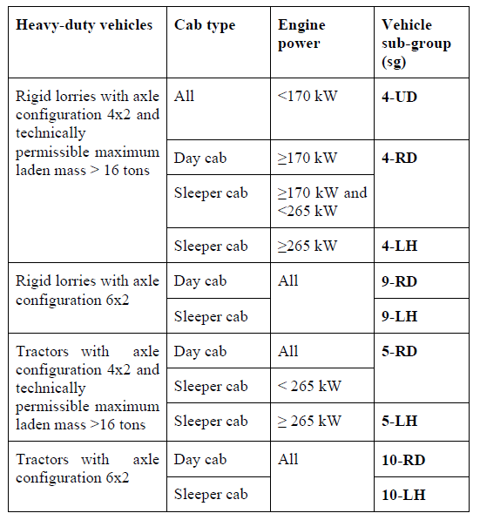
TOTAL VEHICLES PER YEAR |  |  |  |  |  |  | 281 | 538 | 1302 | 4854 | 7184 | 10704 | 15022 | 19488 | 24683 | 30736 | 38077
Varav PHEV |  |  |  |  |  |  |  |  | 542 | 2808 | 3766 | 4560 | 5681 | 6140 | 6381

 |  |  |  |  |  | CO2 Group | 2020 | 2021 | 2022 | 2023 | 2024 | 2025 | 2026 | 2027 | 2028 | 2029 | 2030
 |  |  |  |  |  | 4 | 0 | 72 | 115 | 219 | 353 | 555 | 842 | 1215 | 1650 | 2107 | 2528
 |  |  |  |  |  | 5 | 0 | 0 | 183 | 816 | 1326 | 2090 | 3236 | 4889 | 7085 | 9833 | 13391
 |  |  |  |  |  | 9 | 0 | 34 | 54 | 102 | 265 | 416 | 631 | 911 | 1238 | 1581 | 1897
 |  |  |  |  |  | 10 | 0 | 0 | 0 | 0 | 0 | 0 | 0 | 0 | 0 | 0 | 0
 |  |  |  |  |  | 11 | 0 | 0 | 0 | 226 | 369 | 799 | 1244 | 1901 | 2796 | 3949 | 5504
 |  |  |  |  |  | 12 | 0 | 0 | 0 | 27 | 43 | 69 | 108 | 168 | 254 | 369 | 533
 |  |  |  |  |  | 16 | 0 | 0 | 0 | 0 | 28 | 696 | 1057 | 1527 | 2076 | 2654 | 3186
 |  |  |  |  |  | Total | 0 | 106 | 353 | 1390 | 2384 | 4624 | 7118 | 10610 | 15098 | 20492 | 27038
 |  |  |  |  |  | Check point |  | 106 | 353 | 1390 | 2384 | 4624 | 7118 | 10610 | 15098 | 20492 | 27038

